FITARA Graphic - The Good Chart
 |  | Your name | [your name here]

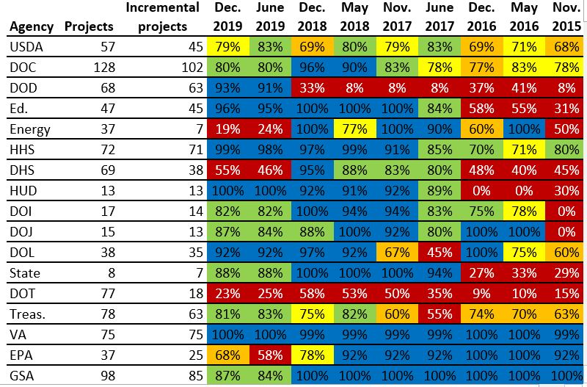 |  | For this graphic, what do you see first? | There are too many colours. The blue and red is where my eyes focus first. Blue cells seem to make a majority and also seem more contiguous than others. Red cells pop out because of it's inherent meaning which is, 'Something's wrong'.

 |  | Make a note of the first idea that forms in your mind and then search for more. | Upon a closer look, I see the colour coding is according to percentage. Blue means greater than 90%, green means 80% - 90%. Red means 0% - 60%. I also noticed that while the data is historical in nature, it is not plotted on the usual left to right time axis. I then realised it is so because the 'incremental projects' and the 'projects' column correspond to the 'Dec 2019' percentage of projects completed in incremental fashion. The project column lets me compare the IT workload of different departments.

 | Source: FITARA 9.0 scorecard, December 2019 as referenced in:

 | Federal News Network. “Agilefall: The Place between Agile and Waterfall Development Where Most Agencies Live,” June 9, 2020. https://federalnewsnetwork.com/reporters-notebook-jason-miller/2020/06/agilefall-the-place-between-agile-and-waterfall-development-where-most-agencies-live/ (Links to an external site.).

 | What I like | What I dislike | What I wish I saw
 | - The use of colour red makes it easy to see problematic departments. For example DOT has not been working on projects incrementally historically. | - Too many colours. I wonder if the intention of the map is to narrow down on those performing poorly and commend the ones performing well. If so, the orange category (60 - 80%) seems like background information. The green and blue fall correspond to high percentages but the color choice makes it seem like they have contrasting percentages. - Too much textual information. I don't see a purpose to keeping both the projects and the incremental projects columns since that information has already been captured as percentages. If their purpose was to indicate size of the departments, keeping just the projects column would have been sufficient. - I don't like that the time flows from right to left since as per convention, I had started reading the chart left to right. - I don't like that the percentages are written along with a colour scheme. I am not interest in the difference between 82% and 84%, and hence I do not require the exact percentage values written in the boxes. The only % I may be interested in as a number would be 0% and 100%. Removing the exact percentage values, while keeping a legend would make the chart more clean. | There are some abrupt jumps in percentages. For example, DOJ had a 0 to 100% increase in incremental projects between Nov 2015 to May 2016. I wonder if the historical data had inconsistencies or if the department had no IT project at the time.

 | What are three things you'd change, and why?
 | I would change... | because....
 | The colour scheme. I would use variations in green for 90 - 100 and 80 - 90 percentage category. the 0 - 60 percentage category can remain in red. I would grey out the 60 - 80 percentage category | The use of green and red would make the theme more intuitive. Green signifies good performing departments, red signifies the opposite. Using grey for 60 - 80% would make the scheme less heavy.
 | I would delete the column 'incremental projects', rename 'projects' to 'Dec 2019 projects' and sort the departments by this column. | Removing 'incremental projects' would take away information already covered as percentages, and sorting the column with respect to their project burden would make it more intuitive for people to identify big vs small departments.
 | I would flip the chart to have time flow from left to right, and perhaps have the department name and Dec 2019 projects as the rightmost columns | Having time flow from left to right would make it easy to see the historical trends.
 | Riddhima Singh - Critique #1: FITARA and Paid Vacation Days (The Good Charts Matrix)
 | Saved to Drive
 | Share
 | File
 | Edit
 | View
 | Insert
 | Format
 | Data
 | Tools
 | Extensions
 | Help
 | $
 | %
 | 123
 | Arial
 | I would flip the chart to have time flow from left to right, and perhaps have the department name and
 |  |  | FITARA Graphic - The Good Charts Critique Resume.io Graphic - The Good Charts Critique The Good Charts Matrix
 | I would flip the chart to have time flow from left to right, and perhaps have the department name and
 | Turn on screen reader support
 | Home
 | File
 | Insert
 | Page Layout
 | Formulas
 | Data
 | Review
 | View
 | Edit
 | View
 | Insert
 | Format
 | Data
 | Tools
 | To enable screen reader support, press Ctrl+Alt+Z To learn about keyboard shortcuts, press Ctrl+slash

Resume.io Graphic - The Good Ch
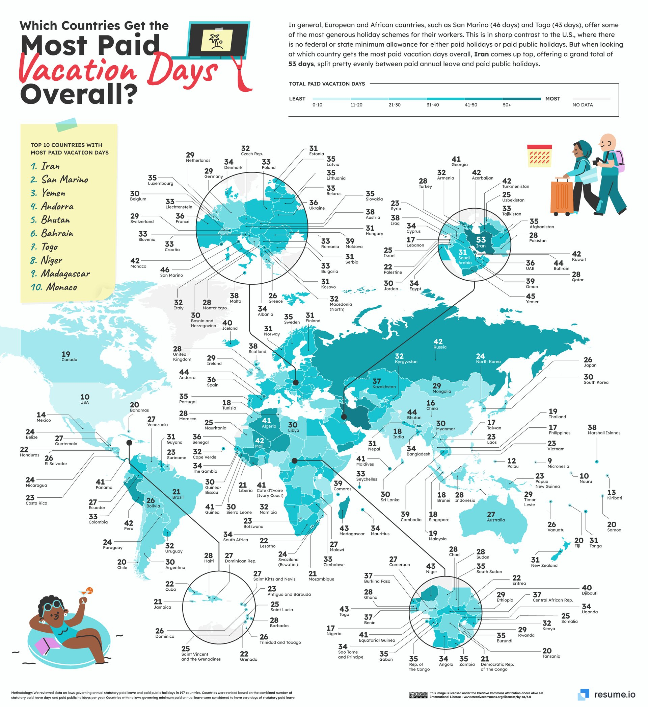

 | Your name | [your name here]

 | For this graphic, what do you see first? | - The words 'vacation days', along icons of travellers on top right and bottom left. - Lots of lines and numbers

 | Make a note of the first idea that forms in your mind and then search for more. | - One big dark region encapsulating russia - Iran is darkest of all - Particular areas, for example Iran and surrounding country, parts of Africa, islands between North American and South American continent have been blown up.

Article: https://resume.io/blog/which-country-gets-the-most-paid-vacation-days

What I like | What I dislike | What I wish I saw
- It is all in one colour, so it is easy to establish a scale - The use of graphics and stylised font immediately draws attention to the theme of the chart | - The many lines and numbers do not let the actual narrative of high vs low vacation days come up first. Rather, we are left following the numbers and lines to understand what they signify. I would rather have a legend, than absolute numbers. This is specially so since the countries with top vacation days are separately listed on a sticky note. Maybe the numbers for the top countries could have been included on the sticky note. The numbers for the remaining countries do not generate interest. - Blowing up the regions makes the space feel more crowded than it is. - The conclusion of the chart on top right is too small too read. | - split between publicholidays and paid annual leaves

What are three things you'd change, and why?
I would change... | because....
I would remove the numbers | If I have a legend and the sticky note of top countries, I do not need to vacation days for all countries. Removing numbers would make the chart more clean and let the colours lead the narrative of regions with high vs low vacation days.
Instead of using lines to point to country names, I would label the countries with a number on the map itself, and include a legend for these numbers. | Removing lines would again take away the noise and let colours establish regions with high vs low vacation days.
I would shorten the conclusion text to not include insight about Iran. The sticky note is conclusive enough to show that Iran emerges at top with highest vacation days. I would not make the comparison between countries on the basis of public holidays and paid annual leaves either. | Removing the insight about Iran would make the text more succinct and would allow us to increase font size. It is important to know that the number depicts paid annual leaves + public holidays. However, it is not important to compare the countries with respect to the proportion of paid annual leaves since that information is not covered in the chart.

References: Berinato, S. (2016). Good charts: The HBR guide to making smarter, more persuasive data visualizations.

The Good Charts Matrix
Name of visualization | Design execution (-10 is poor, 10 is excellent) | Contextual awareness (-10 is low, 10 is high)
FITARA | 6 | 2
Vacation Days | 5 | 8

Contextual awareness = what am I trying to say, to whom, and where?
 |  | What were the primary reasons you chose these scores for each graphic? | Low contextual awareness score for Fitara: I did not understand if the chart wanted me to focu on high performing departments, low performing departs or everything. I did not understand if the purpose of the projects column was to indicate size or something else Moderate design execution score for Fitara: there was some intuition to the colours used, and it was easy to see trends. However, there were too many colours and I did not understand where to focus.

The Good Charts Matrix

 |  |  | High contextual awareness score for vacation days: the title and iconography along with choice of depiction on map rather than bar charts etc. made it easy to understand that we are comparing the number of vacation days between countries. Moderate design execution score for vacation days: the many lines and numbers made it difficult to focus on the chart beneath

Reference: Berinato, S. (2016). Good charts: The HBR guide to making smarter, more persuasive data visualizations.

